Cover
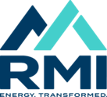 Program Time Report (PLEASE DO NOT DISTRIBUTE)

Third Derivative - Oct-2024

